Sheet1
 |  | Document No. |  | Issue No. |  | Issue Date |  |  | Review and Replace Date |  | Authorised By
 |  | GFF527MC |  | 2 |  | 01.08.2025 |  |  | 05.02.2026 |  | Magda Shah
 |  | Document Title |  | CHICKEN POPCORN 280G
 |  |  |  |  |  |  |  |  |  |  | Magda Shah
Document amendments reason for change |  | Product Code and allergen are changed |  |  |  | Page 1 of 1 |  | Previous Issue Date |  | 01.08.2025 | Uncontrolled copy unless signed original

Pack +10 Days
CCPOB-R6TTA | TAKUL |  |  | CHICKEN POPCORN 280G | CHILLED
STEP 1 |  |  | STEP 2 |  |  |  | STEP 3
 |  |  |  | 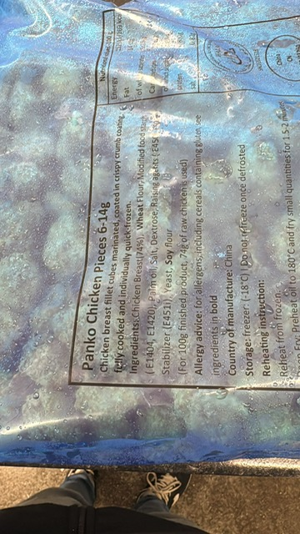 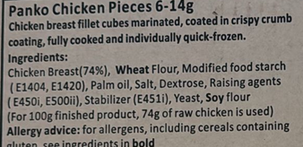
Tray: SK4-Plain Clear (PKESSOO1-07) Film: AF Weld Film (300mmX1000lm) (PKKMP001-07) |  |  |  |  | Chicken Popcorn (RMHSM001-07) : 280g
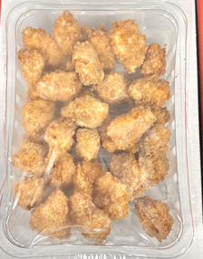 |  |  |  |  |  |  |  |  |  |  |  | TOTAL WEIGHT 280g
ALLERGY ALERT: WHEAT, SOY

